Calculation_R00
Buck Converter Design

Conductor

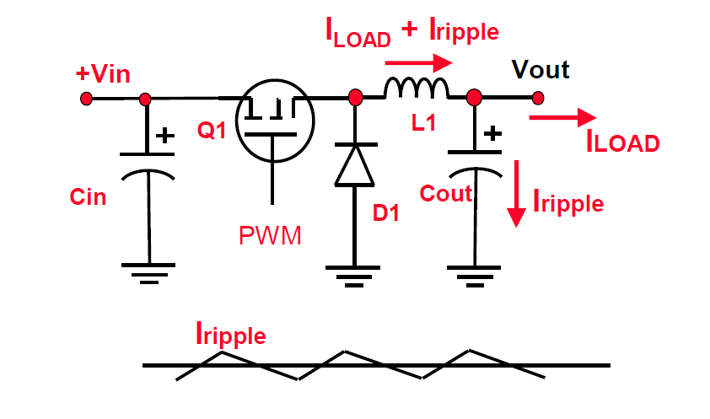
 | VL=L * ΔI / ΔT |  |  |  | 0.01629 | mH
 | L = (Vin – Vout) * (D / Fsw ) / Iripple |  |  | L = | 16.29 | uH
 | D= Vout/Vin
 | Iripple = 0.3 * ILOAD (typically 30%)
 | ILOAD= | 3 | A
 | Vin= | 24 | V
 | Vout= | 13.8 | V
 | F= | 400 | KHz
 | D= | 0.575 | x
 | Iripple = | 0.9 | A

Output Capacitance
 | ΔV = ΔI (ESR + ΔT / C + ESL / ΔT) |  |  |  | 2.70E-05
 | C = (ΔI * ΔT) / (ΔV - (ΔI * ESR)) |  |  | C= | 33 | uF | minimum
 | ΔT= D / Fsw

 | ESR= | 0.03 | Ohm
 | ESL= | 0 | H
 | ΔI = | 0.6 | A
 | ΔT= | 1.44E-06 | us

Input Capacitor

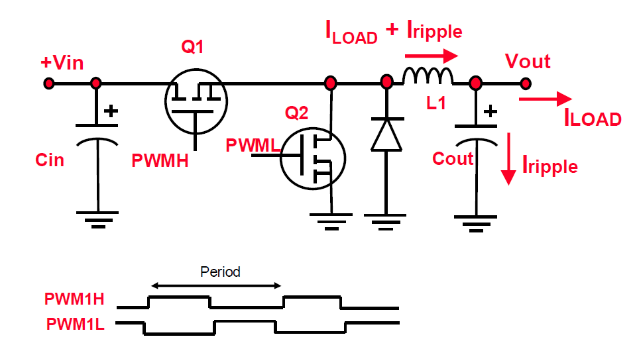
C = ΔT / ( (Vripple / Iripple) - ESR) |  |  |  |  | 1.08E-04
 |  |  |  | C= | 13 | uF | 16V, 470 uf
 | ESR= | 0.12 | Ohm
 | Vripple= | 0.2 | V
 | I rippl | 1.5 | A

Diode Selection

ID = (1-D) ILOAD
iD= | 1.275
Max Diode Reverse Voltage = 20V

 |  |  |  |  |  |  |  | Synchronous Buck

